Base
Base
 | Basic scheme of git:
Working direcotory (WD)
Staging area/Index
(SA)
Local Repository
(LR)
Remote Repository
(RR)
add
commit
push
pull/fetch
reset file
checkout file

 | Working Directory > files which we can see via explorer, here it is possible to change and update them
 | Staging area > indicates updated files prepared for commit. It is possible to add only some files from WD there
 | Local Repository > Local version of changes history stored in commits
 | Commit > snaphot of files and directories

 | add > adds files to Staging Area. Staging the files computes a checksum for each one, store the file (blob) in the repository
 | commit > move files from Staging Area to Local Repositor. Git checksums each subdirectory > stores that objects in git repository > create metadata & pointer to main tree, so it can recreate WD when needed
 | push > add files to Remote Repository
 | pull/fetch > copy file from Remote Repository to Local Repository
 | reset (file) > copy file from Local Repository to Staging Area
 | checkout (file) > copy file from Staging Area to Working Directory

 | Sceme of local repository:
x_br
master
Local Branches, HEAD
Local Remote Branches
remotes/origin/branch
Remote Repository
branches
fetch
merge
pull = fetch + merge
Commits:
Stashed files

 |  |  |  |  |  |  |  | push ? | seems similar scheme -> comit merged with remotes & pushed from remote

 | Local Repository consist of Commits, Branches, Local Remote Branches, HEAD, Stash and Tags

 | Commit > saved state of tracked files
 | Branch > pointer to specific commit
 | Remote Branches > exists locally, could not be changed directly. They are copies of Remote Repository branches, in case of RR update, after fetch changes appears in the Remote Branches of local repository
 | HEAD > pointer to the last commit in current branch
 | Tag > pointer to specific commit or copy of all files, similar to branch but

 | Sceme of commit:
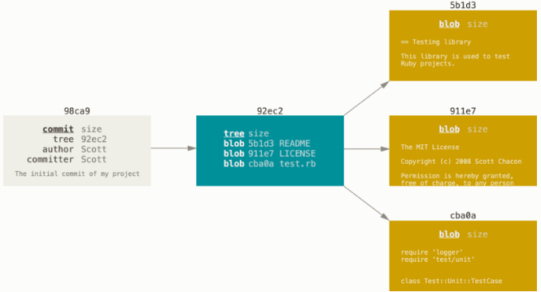
git add
git commit
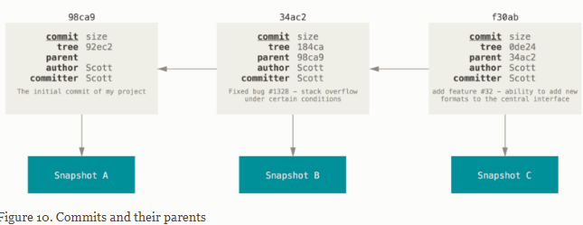

 | Commit > pointer to snaphot of content tree, authors name/email, commit message, pointers to parent commit(s)

 | Working with branches
 | A branch in Git is simply a lightweight movable pointer to one of these commits.
 | HEAD > special pointer which show where you currently on. During new commits automatically moves. Checkout to branch move HEAD to last commit of the branch. It is possible move HEAD just to any commit
 | Branch > just pointer to commit (just file with SHA-1), it contains own branch HEAD pointing to the last commit
 | Sceme of merge:
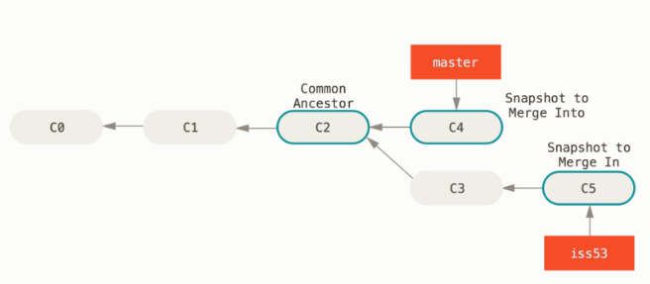

 | Simple three-way merge, using the two snapshots pointed to by the branch tips and the common ancestor of the two.

 | In case of conflict > fix files > git add > git commit (git status should show that merge in process, there is unsolved conflict)

 | Remote-tracking branches > references to the state of remote branches. They’re local references that you can’t move; Git moves them for you whenever you do any network communication
 |  | fetch > synchronize branches from remote repository with remotes/origin/banrch of local repository

 | Reset > copy entries from LR commit to index (in case of files) or set the current branch HEAD to selected pointer & optionally modify WD & Index to match commit

1
2
3
HEAD
master
before reset
1
2
3
HEAD
master
after reset
 |  |  | WD | SA | LR
 |  |  | 3 | 3 | 3 |  | think about reset like about deltas
 |  |  | 3 | 3 | 2 | --soft | it is possible to commit > LR become 3; if we try to chckout another branch and checkout back WD = SA = LR = 2
 |  |  | 3 | 2 | 2 | --mixed | default behaviour, LR = SA, nothing to commit if try
 |  |  | 2 | 2 | 2 | --hard | move branch HEAD pointer and align all trees (WD = SA = LR = 2)

1
2
3
HEAD
master
 | Reset + file (2) |  | WD | SA | LR
 |  |  | 3 | 2 | 3 |  | branch pointer do not move but SA is updated based on reset commit

 | Checkout > update WD to match index (in case of files), in case of commit align LR = SA = WD but do not move branch HEAD (opposite to reset)

 |  | git checkout <branch> > To prepare for working on <branch>, switch to it by updating the index and the files in the working tree, and by pointing HEAD at the branch. (moves HEAD to last commit of the branch, LR contains snaphot of the commit pointed by HEAD, checkout command rewrite trees in a way LR = SA = WD)
 |  | git checkout <file> > update WD from Index
 |  | git checkout <commit> <file> > update Index from commit & WD from Index
 |  | it is possible to use patch mode

 | Rebase > Reapply commits of current branch on top of indicated branch (all branches have to exist in local repo (after clone it not exists till checkout))

 |  |  |  | git checkout topic
 |  |  |  | git rebase master
 |  |  |  | (update related to topic branch)

 |  | git rebase --continue or git rebase --abort > in case of conflicts resolve & continue or abort
 |  | it go till find common parent & then rebase all commits, and move current branch
 |  | note: if have the same changes (the same commit) in history it will ignore them during rebase

 | --onto

 | Git on server > protocols: Local (filesystem), HTTP (just login/password), Secure Shell (SSH) (require ssh key) and Git

 | Revert > just commit with opposite changes, use on already shared changes

 | Stash > for quick changes (in WD or SA) hiding, could be few stashes, they could be applied to another branch

 | ^ - first parrent, ^^ parrent of parrent, ^2 second parent it is possible for megred commit
 | ~ - first parrent, ~3 - parrent of parrent of parrent
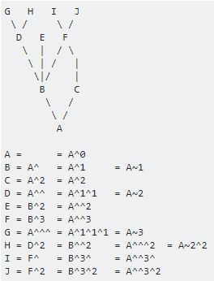

 | push > push only master branch or indicated branch > git push <repository> <branch>
 |  | to push everything > git push --all / git push origin --all
 |  | it is not pushing tags

 | pull > as well pull only indicated branch, or it is possible to pull --all but it will merge only current branch
 |  | or it fetches all but merge current ?
 | fetch --all > fetches all branches

 | Rebase, (-i), cherry-pick

 | Other possibilities / notes which is related to base

 | git cherry-pick <C1> <C2> … > copy commits C1, C2, … to HEAD

 | 1) checkout branch bugFix
 | 2) git rebase master > rebase branch bugFix on top of master
 |  | or
 | 2) git rebase -i > possible to choose which commits have to be rebased |  |  |  |  |  | looks like it chooses all commits from branch; it could be limited if indicate HEAD~n (HEAD~n point till which commits appears for rebase)

 | git branch -f <branch to move> <move to destination> > moves branch pointer

 | About clone

Checkout
 | Checkout to branch > moves HEAD to last commit of the branch, LR contains snaphot of the commit pointed by HEAD, checkout command rewrite trees in a way LR = SA = WD

 | garbage collection
 |  | note: if in detached mode create commits they will be collected by GC; it is necessary add branch or tag

 | to add in general commit requirements

 | as well add git workflows > like master > development > issue > hot fixes etc branches…

Notes facts
 | Branch is simply contains pointer to commits (40 character SHA-1 checksum)

 | Git determines the best common ancestor to use for its merge base

 | git mergetool > to define how to setup

 | Git clone makes automatic setup of tracking brnaches

 | Server setup > chapter 4, has https, ssh, git protocols

Possible workflows:
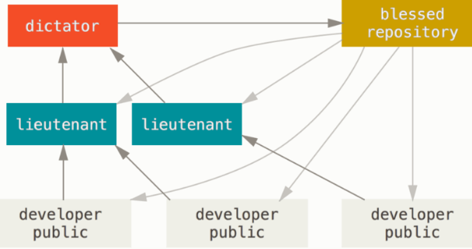
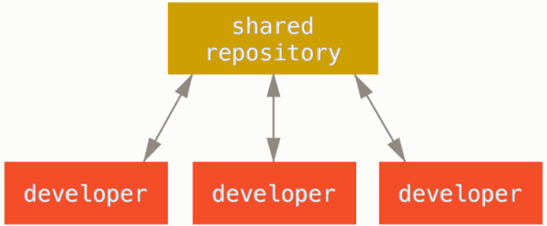

 | samples of work > https://git-scm.com/book/en/v2/Distributed-Git-Contributing-to-a-Project

 | About work on github >https://git-scm.com/book/en/v2/GitHub-Contributing-to-a-Project> better to create test project (atm no need)

